Nachbearbeitung
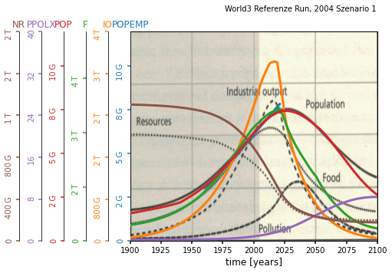
NRMSD Verlauf
 | 0.3231005086
 | 0.3125069296
 | 0.3038822386
 | 0.2989270239
 | 0.2927453565
 | 0.2902112602
 | 0.2859832049
 | 0.2844523784
 | 0.2823612724
 | 0.2765200808
 | 0.2748807621
 | 0.2729488975
 | 0.2724442618
 | 0.2719096048
 | 0.2715624791
 | 0.27129705
 | 0.2710220235
 | 0.2708666346
 | 0.2706313381
 | 0.2703791243
 | 0.270080622
 | 0.2698973907
 | 0.2697703812
 | 0.2696894234
 | 0.2696067236
 | 0.269077797
 | 0.2689060062
 | 0.268828732
 | 0.2687299285
 | 0.2686670818
 | 0.2686277713
 | 0.2685779796
 | 0.2685151032
 | 0.2684390007
 | 0.2684192187
 | 0.2684006005
 | 0.2683689226
 | 0.2683581689
 | 0.2683466714
 | 0.2683294853
 | 0.2683118848
 | 0.2682678386
 | 0.2682392167
 | 0.2682300006
 | 0.2682228699
 | 0.2682168525
 | 0.2682110748
 | 0.2682054674
 | 0.2681983529
 | 0.2681874569
...
Verbesserte Werte | Anzahl der Verbesserungen | Verbesserter Wert | Default Wert | Relative Change | Nicht verbesserte Werte | Werte
alic1 | 4 | 15.243058 | 2.00 | 6.621529 | alic1 | 14.00
alln | 9 | 1351.200328 | 1000.00 | 0.351200328 | alsc1 | 20.00
amti | 8 | 0.768709 | 1.00 | 0.231291 | dcfsn | 3.80
faipm | 2 | 0.000944 | 0.001 | 0.056 | fioac1 | 0.43
frpm | 2 | 0.020668 | 0.02 | 0.0334 | ghup | 0.000000004
fspd | 3 | 0.61163 | 2.00 | 0.694185 | icor1 | 3.00
hsid | 10 | 38.235698 | 20.00 | 0.9117849 | ieat | 3.00
imef | 2 | 0.110166 | 0.10 | 0.10166 | len | 28.00
imti | 2 | 11.064211 | 10.00 | 0.1064211 | lfh | 0.70
lfpf | 1 | 1.02155 | 0.75 | 0.36206666667 | lufdt | 2.00
lpd | 29 | 33.839669 | 20.00 | 0.69198345 | lyf1 | 1.00
mtfn | 2 | 9.453029 | 12.00 | 0.21224758333 | nruf1 | 1.00
nri | 3 | 1.3023494198E+12 | 2.00E+12 | 0.34882529009 | rlt | 30.00
palt | 2 | 4216786256.1 | 3200000000.00 | 0.31774570503 | scor1 | 1.00
pl | 4 | 0.104054 | 0.10 | 0.04054
ppgf1 | 2 | 1.534367 | 1.00 | 0.534367
pptd | 5 | 116.383737 | 20.00 | 4.81918685
sad | 31 | 13.383053 | 20.00 | 0.33084735
sd | 3 | 0.06045 | 0.07 | 0.13642857143
sfpc | 2 | 233.692028 | 230.00 | 0.016052295652
uildt | 11 | 0.533124 | 10.00 | 0.9466876

Anzahl Verbesserungen
Relative Chage

